Naive Bayes 1
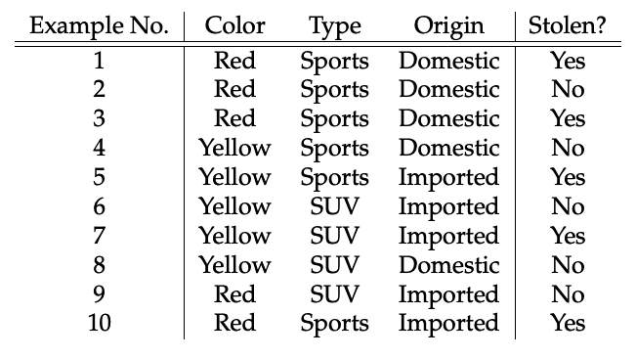
Dependent Var - Stolen (yes/no)
Independent Var - Color , Type & Origin

Step 1
Create cross tabulation of independent var and dependent var
Cross tabulation
 |  |  | Stolen |  | Find Predicted probability if
 |  | Yes | No | Row Total
 | Red | 3 | 2 | 5 | Color | Type | Orgin | Stolen
 | Yellow | 2 | 3 | 5 | Red | Suv | Domestic | No | 0.09 | p(No|Red,SUV,Domestic)
 |  |  |  | 10

 |  |  | Stolen |  | P(Yes|Red,SUV,Domestic) | P(Red/Yes)*p(Domestic/Yes)*p(SUV/Yes)
 |  | Yes | No | Row Total
 | Sports | 4 | 2 | 6 | P(Red/Yes) | 0.6
 | SUV | 1 | 3 | 4 | p(Domestic/Yes) | 0.4
 |  |  |  | 10 | p(SUV/Yes) | 0.25

 |  |  | Stolen |  | p(likelihood of evidance ) | 0.06
 |  | Yes | No | Row Total | prior p(Yes) | 0.5
 | Domestic | 2 | 3 | 5
 | Imported | 3 | 2 | 5 | p(likelihood of evidance )*prior p(yes) | 0.03
 |  |  |  | 10

 |  |  |  |  | P(No|Red,SUV,Domestic) | P(Red/No)*p(Domestic/No)*p(SUV/No)

 |  |  |  |  | P(Red/No) | 0.4
 |  |  |  |  | p(Domestic/No) | 0.6
 |  |  |  |  | p(SUV/No) | 0.75

 |  |  |  |  | p(likelihood of evidance ) | 0.18
 |  |  |  |  | prior p(No) | 0.5

 |  |  |  |  | p(likelihood of evidance )*prior p(No) | 0.09

